Review #1
Review #1: data folder structure |  |  |  |  |  | not included in the GitHub folder structure

Data folder structure needed for code execution: |  |  |  |  | Information obtained from |  | https://github.com/AIDELabAZ/privacy_protection?tab=readme-ov-file#folder-structure
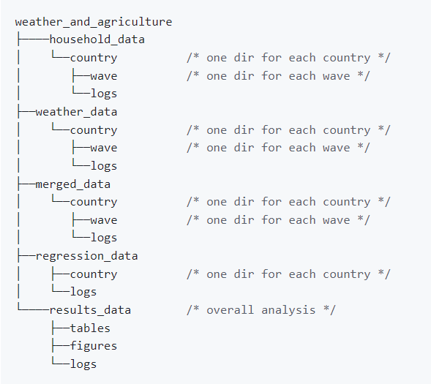
household_data | ethiopia | logs
 |  | wave_(1/2/3) | raw
 |  |  | refined
 | malawi | logs
 |  | wave_(1/2/3/4) | raw
 |  |  | refined
 |  | wb_raw_data |  | * provided by J. Michler
 | niger | logs
 |  | wave_(1/2) | raw
 |  |  | refined
 | nigeria | logs
 |  | wave_(1/2/3) | raw
 |  |  | refined
 |  | conversion_files |  | * provided by J. Michler
 | tanzania | logs
 |  | wave_(1/2/3/4) | raw
 |  |  | refined
 | uganda | logs
 |  | wave_(1/2/3) | raw
 |  |  | refined
 |  | conversion_files |  | * provided by J. Michler
weather_data | same structure
merged_data | same structure
regression_data | same structure
results_data | same structure
output | paper |  | figures | *created by code requirements
 |  |  | tables

